Paperwork Envelope
 |  |  | 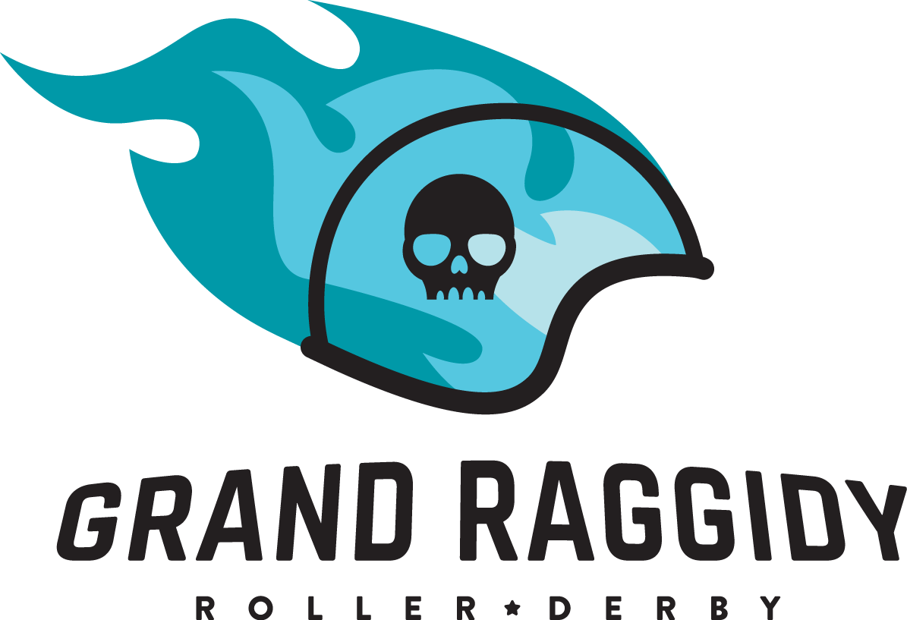
 | #REF!

 |  |  | #REF!
 |  |  | #REF!
 |  | #REF! |  | #REF!

 |  | Score | Penalties | Score | Penalties
 | Period 1 | 104 | 16 | 41 | 6
 | Period 2 | 127 | 12 | 39 | 18
 | Total | 231 | 28 | 80 | 24

 | Jersey Color | Black |  | Blue
 | Helmet Cover | Black |  | Blue
 | Captain | Lucy Morals |  | 4 Leaf Clobber
 | Designated Alt
 | # of Bench Staff | 2 |  | 1
 | Starting Bench | Jammer Line | Pivot Line | Jammer Line | Pivot Line
 | Roster Notes

☒ | Final game rosters submitted:
 | ☒ | #REF!
 | ☒ | #REF!
☒ | IGRF signed
 | Y / N | Expulsion
 | Y / N | Official Score Adjustment
☒ | Score and IGRF Submitted
 | ☐ | Official Review Form Submitted
 | ☒ | Expulsion Form Submitted
☒ | StatsBook Data Entered
☒ | StatsBook Submitted

